Data Prioritized
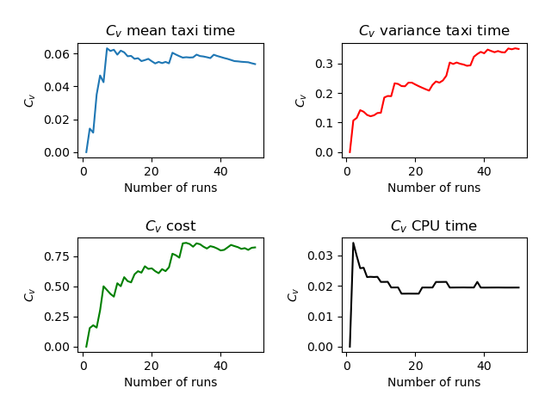
Run | Number of Aircraft | Maximum Spawn Time | Mean Taxitime | Variance Taxitime | Variance Cost | CPU Time
1 | 9 | 5 | 9.5 | 5.833 | 0.389 | 3.83
2 | 9 | 5 | 9.778 | 7.228 | 0.525 | 3.58
3 | 9 | 5 | 9.611 | 5.599 | 0.599 | 3.614
4 | 9 | 5 | 10.389 | 4.932 | 0.599 | 3.678
5 | 9 | 5 | 9 | 5.278 | 0.228 | 3.581
6 | 9 | 5 | 9.611 | 5.599 | 0.056 | 3.633
7 | 9 | 5 | 8.333 | 5.278 | 0.389 | 3.57
8 | 9 | 5 | 10 | 6.667 | 0.58 | 3.72
9 | 9 | 5 | 8.889 | 7.043 | 0.389 | 3.584
10 | 9 | 5 | 9.667 | 5.167 | 0.043 | 3.581
11 | 9 | 5 | 10.333 | 3.333 | 0.358 | 3.64
12 | 9 | 5 | 9.111 | 4.432 | 0.062 | 3.577
13 | 9 | 5 | 9.611 | 6.821 | 0.5 | 3.634
14 | 9 | 5 | 10.167 | 2.778 | 0.654 | 3.629
15 | 9 | 5 | 9.778 | 6.895 | 0.043 | 3.594
16 | 9 | 5 | 9 | 5.5 | 0.117 | 3.603
17 | 9 | 5 | 9.556 | 4.58 | 0.654 | 3.624
18 | 9 | 5 | 8.944 | 3.58 | 0.025 | 3.57
19 | 9 | 5 | 10.222 | 4.34 | 0.636 | 3.668
20 | 9 | 5 | 9.5 | 5.722 | 0.821 | 3.652
21 | 9 | 5 | 9.611 | 5.543 | 0.617 | 3.614
22 | 9 | 5 | 10.278 | 5.451 | 0.636 | 3.805
23 | 9 | 5 | 9.278 | 5.562 | 0.056 | 3.567
24 | 9 | 5 | 10.278 | 5.673 | 0.488 | 3.699
25 | 9 | 5 | 9.889 | 2.877 | 0.062 | 3.576
26 | 9 | 5 | 11.111 | 3.21 | 1.506 | 3.846
27 | 9 | 5 | 9.778 | 6.006 | 0.389 | 3.611
28 | 9 | 5 | 9.611 | 3.432 | 0.556 | 3.584
29 | 9 | 5 | 9.444 | 8.358 | 1.889 | 3.609
30 | 9 | 5 | 10.333 | 0.889 | 0.247 | 3.626
31 | 9 | 5 | 9.222 | 6.117 | 0.389 | 3.58
32 | 9 | 5 | 9.111 | 7.932 | 0.722 | 3.59
33 | 9 | 5 | 8.722 | 6.395 | 0.025 | 3.578
34 | 9 | 5 | 9.778 | 6.895 | 0.389 | 3.572
35 | 9 | 5 | 10.111 | 6.265 | 0.636 | 3.75
36 | 9 | 5 | 10.056 | 3.914 | 0.617 | 3.644
37 | 9 | 5 | 10.056 | 1.191 | 0.056 | 3.636
38 | 9 | 5 | 10.778 | 2.673 | 1.154 | 3.789
39 | 9 | 5 | 9.833 | 2.833 | 0.5 | 3.636
40 | 9 | 5 | 9.5 | 5.833 | 0.599 | 3.683
41 | 9 | 5 | 9.5 | 2.167 | 0.228 | 3.584
42 | 9 | 5 | 9.5 | 5.5 | 0.056 | 3.59
43 | 9 | 5 | 9.667 | 5.167 | 0.043 | 3.572
44 | 9 | 5 | 9.778 | 3.117 | 0.389 | 3.611
45 | 9 | 5 | 10.167 | 6.167 | 0.488 | 3.686
46 | 9 | 5 | 10.167 | 4 | 0.556 | 3.753
47 | 9 | 5 | 10.167 | 1.833 | 0.228 | 3.65
48 | 9 | 5 | 9.278 | 4.451 | 0.599 | 3.618
49 | 9 | 5 | 9.833 | 3.056 | 0.056 | 3.586
50 | 9 | 5 | 9.889 | 4.265 | 0.228 | 3.651
 | 9 | 5 | 9.71448 | 4.86754 | 0.44142 | 3.63716

